Sheet1
DB-9 RS-232 Wiring
 |  |  |  |  | View from front of connector
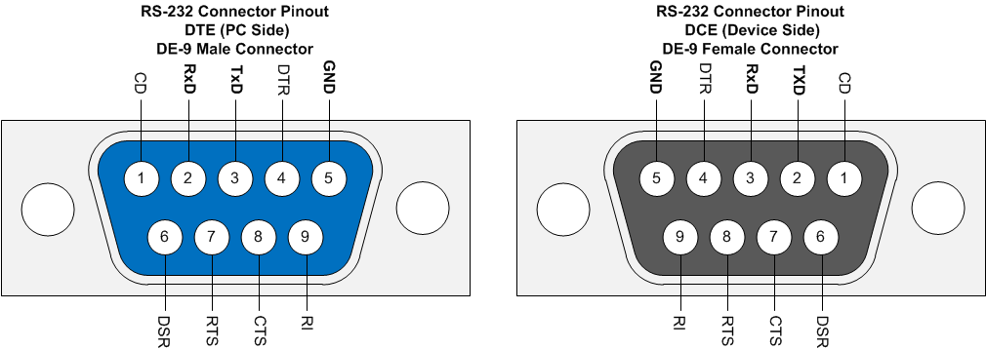
DB9-F | 10-pinFlat
1 | 1
2 | 3
3 | 5
4 | 7
5 | 9
6 | 2
7 | 4
8 | 6
9 | 8
 | 10

 | CD (1) | 1 | 2 | DSR (2)
 | TxD (2) | 3 | 4 | CTS (7)
 | RxD (3) | 5 | 6 | RTS (8)
 | DTR (4) | 7 | 8 | RI (9)
 | GND (5) | 9 | 10 | nc

